ODOMETER
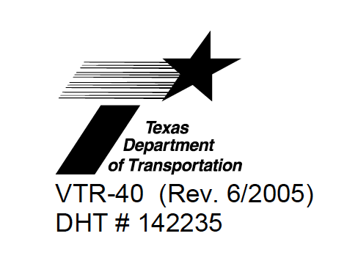 |  | ODOMETER DISCLOSURE
 |  | STATEMENT

Federal and State Law require that you state the mileage in connection with the transfer of ownership. Failure to complete or providing а false statement may result in fines and/or imprisonment. This form may not be used in conjunction with title transfer documents, which comply with federal and state odometer disclosure requirements such as Texas Certificate of Titles issued on or after April 29, 1990.

 |  | VEHICLE DESCRIPTION

 | YEAR | MAKE |  | MODEL

 | BODY STYLE | Vehicle Identification Number

 | I, VAGE DAVTYAN certify to the best of my knowledge that the odometer reading is the actual mileage of the vehicle described above unless one of the following statements is checked:

 |  | ODOMETER |  | NO TENTHS
 |  | READINGS

 | Date od statement | Signature of Seller/Agent |  | Printed Name (Same as Signature)

 | If titled in а firm's name, print the firm's name on the line above.

 | Street Address |  | City | State | Zip code

 | ACKNOWLEDGMENT OF ODOMETER DISCLOSURE ВУ BUYER/AGENT

 | Date od statement | Signature of buyer |  | Printed Name (Same as Signature)

 | If titled in а firm's name, print the firm's name on the line above.

 | Street Address |  | City | State | Zip code

 | WARNING: TRANSPORTA TION CODE, §50Y.155, PROVIDES THAT FALSIFYING INFORMATION ON ANY REQUIRED STATEMENT OR APPLICATION IS А THIRD-DEGREE FELONY.

